Sheet1
Admin-OverView | Reviewer-OverView | Login

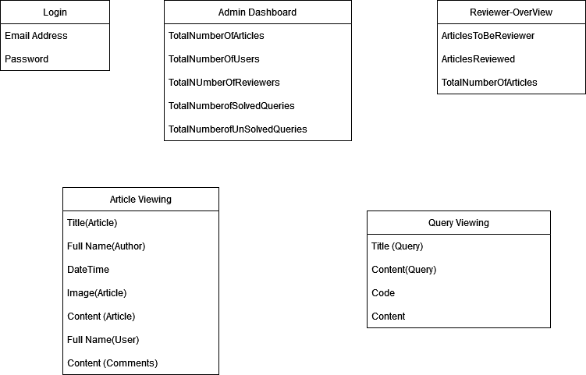
int TotalNumberOfArticles; | Int ArticlesToBeReviewer; | String Email;
int TotalNumberOfUsers; | Int ArticlesReviewed; | String Password;
int TotalNUmberOfReviewers; | int TotalNumberOfArticles;
int TotalNumberofSolvedQueries
int TotalNumberofUnSolvedQueries;

PublishedArticle
Article Article ;
List<Like> Likes;
List<Comment> Comments

